Information
 |  |  |  | Chapter 3 - Data Cleaning and Preparation

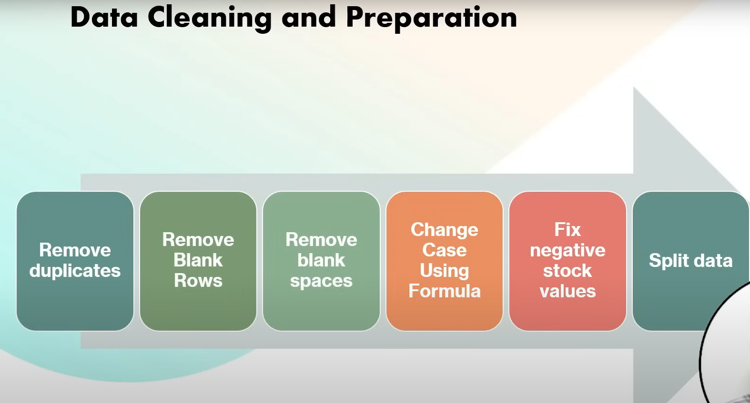

To Do:
1 | Remove Duplicate | Steps : Data - > Remove Duplicate
2 | Remove Blank row
3 | Remove Blank space | use trim function
4 | Remove unbreakble space | substitute function
5 | Case fix | proper fuction
6 | Negative value Fix | We are simply using if else statement here in new column
7 | split data | cntrl + E (also called flash fill) | or use left formulea and find formulea
8 | Data Validation

